Dashboard
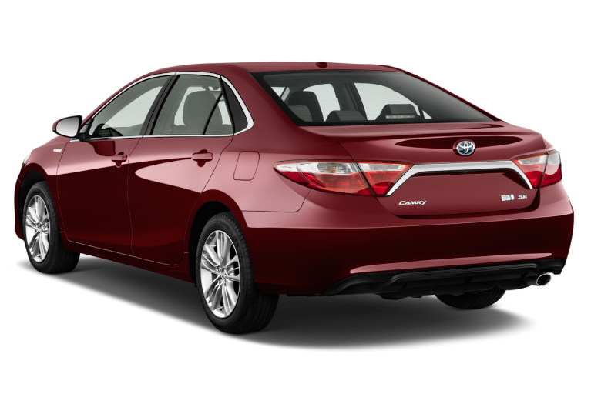
Nigeria Car Market

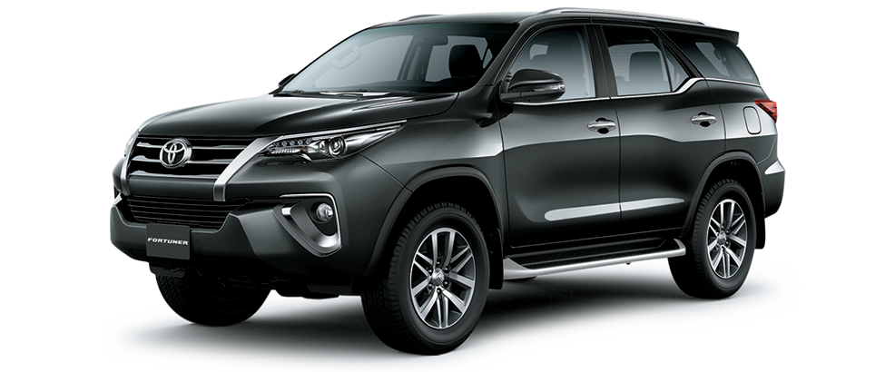
Average Vehicle Matrics Nigeria Car Market
Location: Nigeria - African

₦5.0M
28K
217
3.1K
(Km)
(hp)
(cc)
Price
Mileage
Horse power
Engine size

Top 10 Most Popular Car Market In Nigeria

 | Total
Acura | 56
Ford | 135
Honda | 310
Hyundai | 97
Kia | 57
Lexus | 289
Mercedes-Benz | 261
Nissan | 111
Toyota | 1126
Volkswagen | 56

Which Color Wins ? Top 10 Picks for Nigeria Cars

 | Total
Automatic | 2702
Manual | 171
 | Total
Beige | 18
Black | 741
Blue | 323
Brown | 46
Gold | 149
Gray | 498
Green | 100
Red | 205
Silver | 484
White | 279
Naija Driver's Choice: Automatic or Manual

